Sheet1
INSURANCE DATA ANALYSIS DASHBOARD

Gender Counts |  | Smokers vs. Non-Smokers |  | BMI Average (Overall) | Skewness Of Age (Overall Data) & Distribution | Skewness Of Age (Overall Data)

Males | Females | Yes | No | 30.66 | 0.056 | 1.516

672 | 662 | 274 | 1064
 |  |  |  |  | 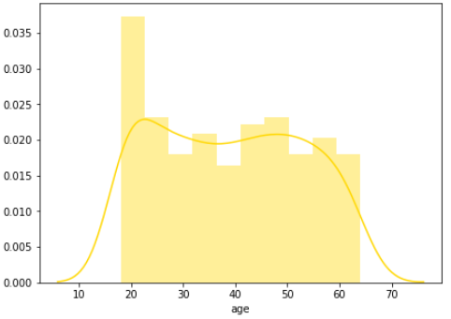 | 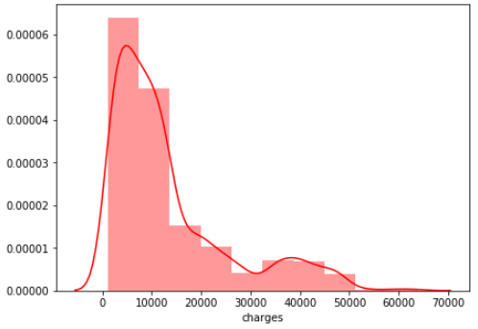

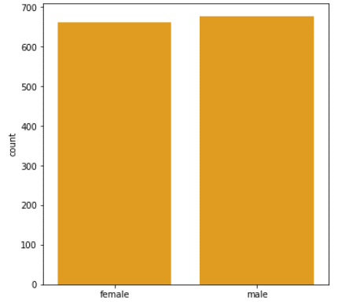 |  | 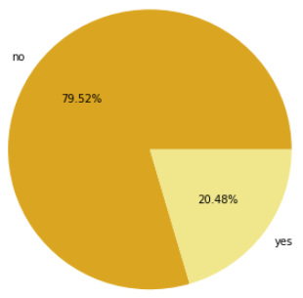
 |  |  |  | BMI Average (Male)

 |  |  |  | 30.94

 |  |  |  | BMI Average (Female)

 |  |  |  | 30.38

 |  |  |  |  | Skewness Of Age (Males) & Distribution | Skewness Of Age (Males) & Distribution
Smokers Gender Ratio |  | Correlations
 |  |  |  | Mean Of Charges | 0.082 | 0.029
Male Smokers | Female Smokers | Highest Correlation | Lowest Correlation
 |  |  |  | 13270.42
159 | 115 | 0.3 | 0.013 |  | 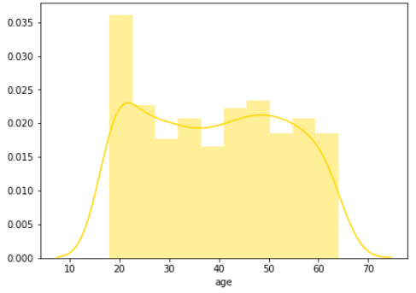 | 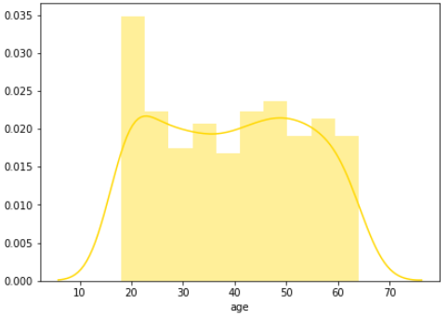

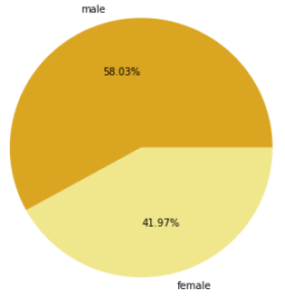 |  | 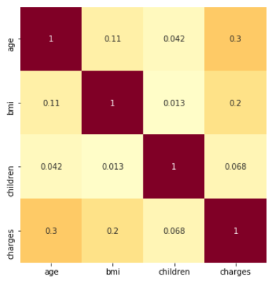

 |  |  |  | Males With Charges > Mean Charges

 |  |  |  | 221

 |  |  |  | Females With Charges > Mean Charges

 |  |  |  | 199

 |  |  |  |  | Skewness Of Charges (Males) & Distribution | Skewness Of Charges (Females) & Distribution

 |  |  |  |  | 1.336 | 1.729

Male Region Counts |  | Female Region Counts
 |  |  |  | Average Age (Male) | 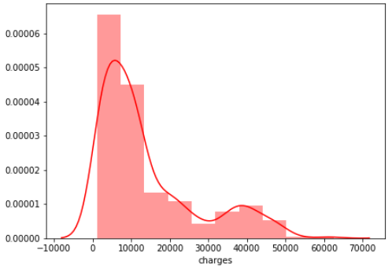 | 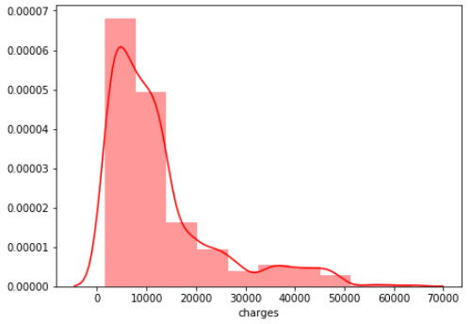
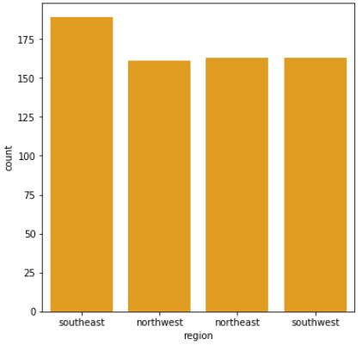 |  | 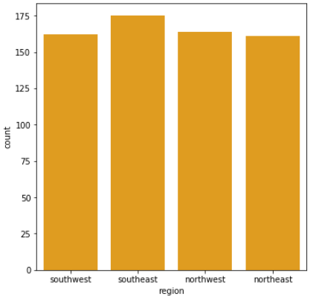
 |  |  |  | 38.92

 |  |  |  | Average Age (Female)

 |  |  |  | 39.5

